Man Acc Build
The Care Team

Management Accounts for April 202X

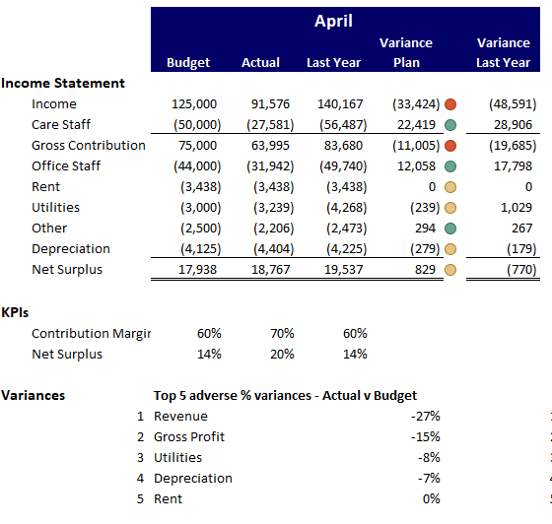
 |  |  |  |  | April
 |  |  | Budget | Actual | Last Year | Variance Plan |  | Variance Last Year
Income Statement
 | Income |  | 125,000 | 91,576 | 140,167 | (33,424) | (27) | (48,591)
 | Care Staff |  | (50,000) | (27,581) | (56,487) | 22,419 | 45 | 28,906
 | Gross Contribution |  | 75,000 | 63,995 | 83,680 | (11,005) | (15) | (19,685)
 | Office Staff |  | (44,000) | (31,942) | (49,740) | 12,058 | 27 | 17,798
 | Rent |  | (3,438) | (3,438) | (3,438) | 0 | 0 | 0
 | Utilities |  | (3,000) | (3,239) | (4,268) | (239) | (8) | 1,029
 | Other |  | (2,500) | (2,206) | (2,473) | 294 | 12 | 267
 | Depreciation |  | (4,125) | (4,404) | (4,225) | (279) | (7) | (179)
 | Net Surplus |  | 17,938 | 18,767 | 19,537 | 829 | 5 | (770)

KPIs
 | Contribution Margin |  | 60% | 70% | 60%
 | Net Surplus |  | 14% | 20% | 14%

Variances |  |  | Top 5 adverse % variances - Actual v Budget
 |  | 1 | Income |  |  | (27)
 |  | 2 | Gross Contribution |  |  | (15)
 |  | 3 | Utilities |  |  | (8)
 |  | 4 | Depreciation |  |  | (7)
 |  | 5 | Rent |  |  | 0

Chart Build
 | This year | Last year | Budget
Jan | 97 | 96 | 100
Feb | 99 | 95 | 100
Mar | 97 | 97 | 100
Apr | 98 | 100 | 100
May | 96 | 101 | 105
Jun | 98 | 99 | 105
Jul |  | 98 | 105
Aug |  | 99 | 105
Sep |  | 97 | 110
Oct |  | 105 | 110
Nov |  | 104 | 110
Dec |  | 104 | 110
 |  |  |  |  |  |  |  |  |  |  |  |  |  | What Happened
The new contract with the local authority has been delayed duty to their funding shortfall. This would have brought us an extra 8 patients this year.

 |  |  |  |  |  |  |  |  |  |  |  |  |  | Actions taken

We are in the final stages of negotiations with the NHS to assist with step discharge from Withstone Hospital. Our first patient should be in August with up to 10 arriving before the end of the year.

 |  | Jan | Feb | Mar | Apr | May | Jun | Jul | Aug | Sep | Oct | Nov | Dec
 | This year | 97 | 99 | 97 | 98 | 96 | 98
 | Last year | 96 | 95 | 97 | 100 | 101 | 99 | 98 | 99 | 97 | 105 | 104 | 104
 | Budget | 100 | 100 | 100 | 100 | 105 | 105 | 105 | 105 | 110 | 110 | 110 | 110

Commentary | The new contract with the local authority has been delayed duty to their funding shortfall. This would have brought us an extra 8 patients this year.

 | We are in the final stages of negotiations with the NHS to assist with step discharge from Withstone Hospital. Our first patient should be in August with up to 10 arriving before the end of the year.

Speedo Build
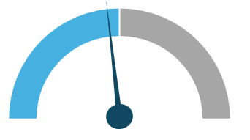

 | YTD Income | Remainder | Annual budget
Base Speedo | 393,000 | 393,000 | 786,000

 | Elapsed | Needle | Remaining | Year
For needle calibration | 361,512 | 10,000 | 414,488 | 786,000

